Sheet1
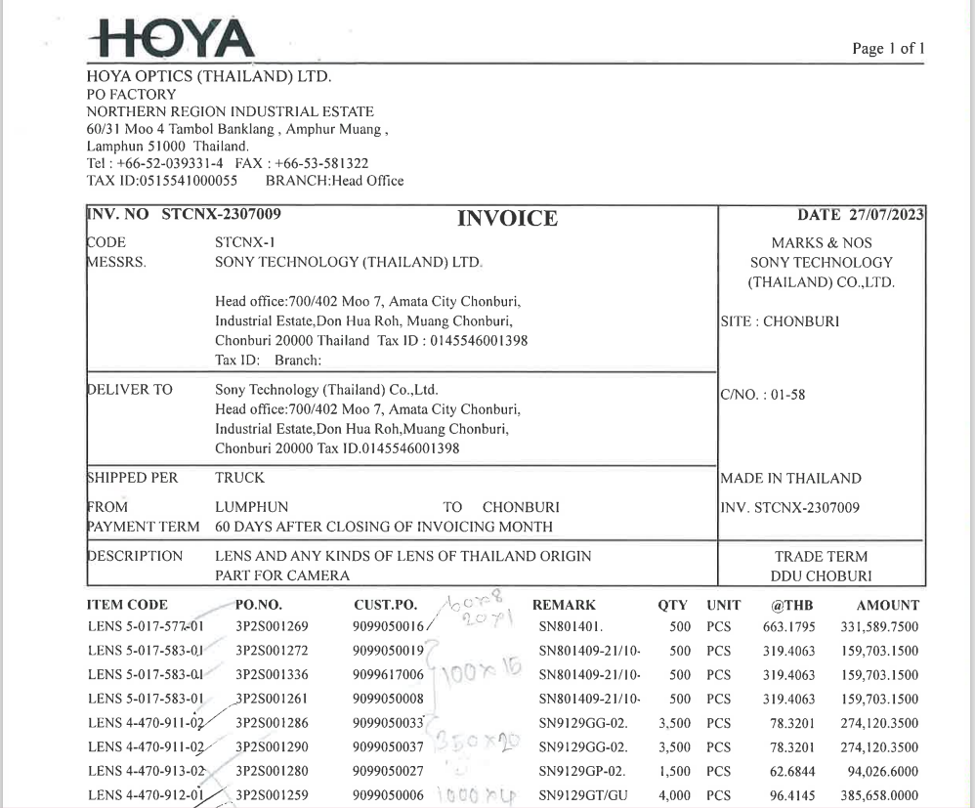

INVOICE_NO

ITEM_NO
PO_NO
QTY
AMOUNT
UNIT_PRICE

